Bug Report
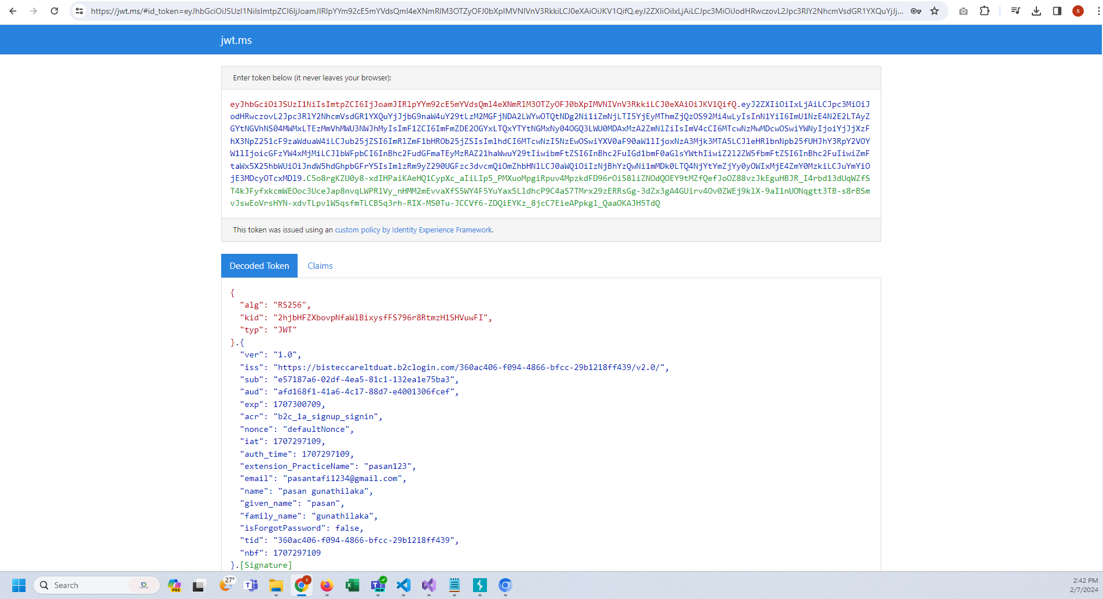
Category | Label | Value
Bug ID | ID number | #01
 | Name | Unable to login when a new account is created
 | Reporter | Team F
 | Submit Date | 2024-07-02
Bug overview | Summary | When I tried to login to the admin portal after creating an account I got redirected to a another URL.
 | URL | https://jwt.ms/
 | Screenshot
Environment | Platform
 | Operating System
 | Browser | Chrome
Bug details | Steps to reproduce
 | Expected result
 | Actual result
 | Description
Bug tracking | Severity | Major
 | Assigned to
 | Priority | High

Category | Label | Value
Bug ID | ID number | #02
 | Name | Getting the same verification code for the email
 | Reporter | Team F
 | Submit Date | 2024-07-02
Bug overview | Summary | When user signup into the system. All the users get the same verification code.
 | URL
 | Screenshot
Environment | Platform
 | Operating System
 | Browser | Chrome
Bug details | Steps to reproduce
 | Expected result
 | Actual result
 | Description
Bug tracking | Severity | Major
 | Assigned to
 | Priority | High

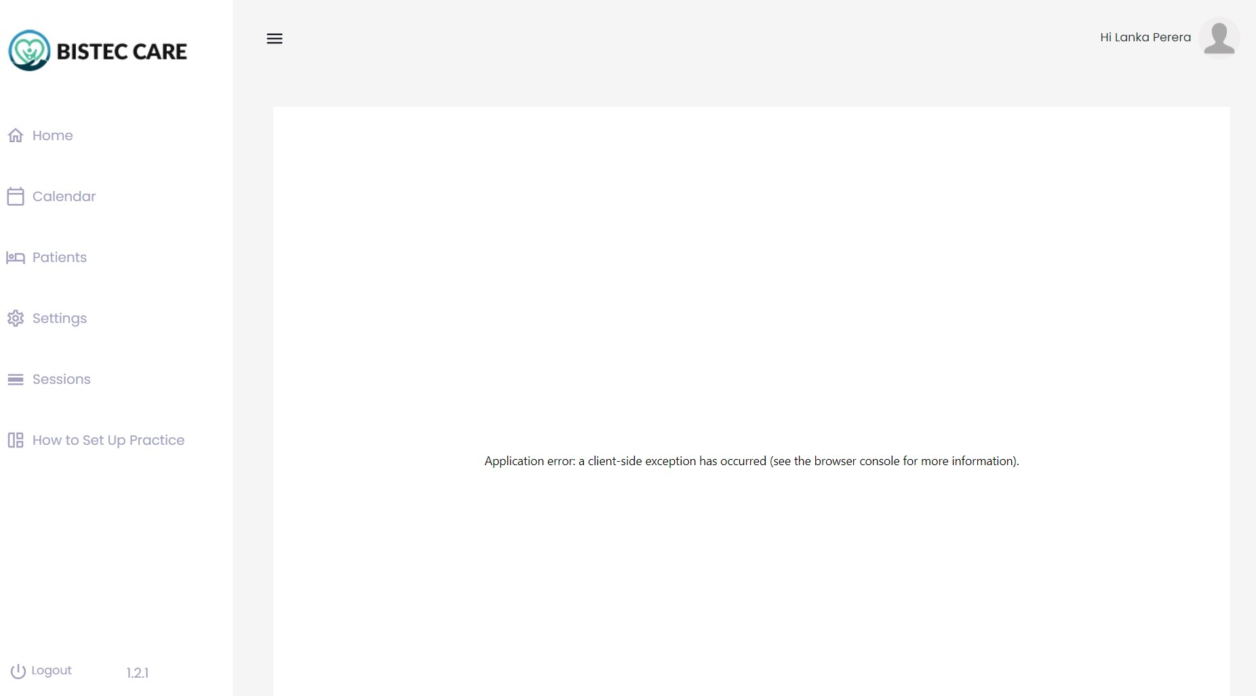
Category | Label | Value
Bug ID | ID number | #03
 | Name | User get application error and displays as no appointments for a specific scenario
 | Reporter | Team F
 | Submit Date | 2024-07-02
Bug overview | Summary | In timebased system, I set about 3-4 availibilities and created appointments. When II click on the created appointment it displayed as No slots available. And next when I went back and clicked New appointment button then it displayed this attached Application error message.
 | URL
 | Screenshot
Environment | Platform
 | Operating System
 | Browser | Chrome
Bug details | Steps to reproduce
 | Expected result
 | Actual result
 | Description
Bug tracking | Severity | Major
 | Assigned to
 | Priority | Medium

Category | Label | Value
Bug ID | ID number | #04
 | Name
 | Reporter | Team F
 | Submit Date | 2024-07-02
Bug overview | Summary | When user created an appointment by more than 1 slot length and try to Reschedule. It by default takes no length so it displays as 0min for the appointment.
 | URL
 | Screenshot
Environment | Platform
 | Operating System
 | Browser | Chrome
Bug details | Steps to reproduce
 | Expected result
 | Actual result
 | Description
Bug tracking | Severity | Major
 | Assigned to
 | Priority | Medium

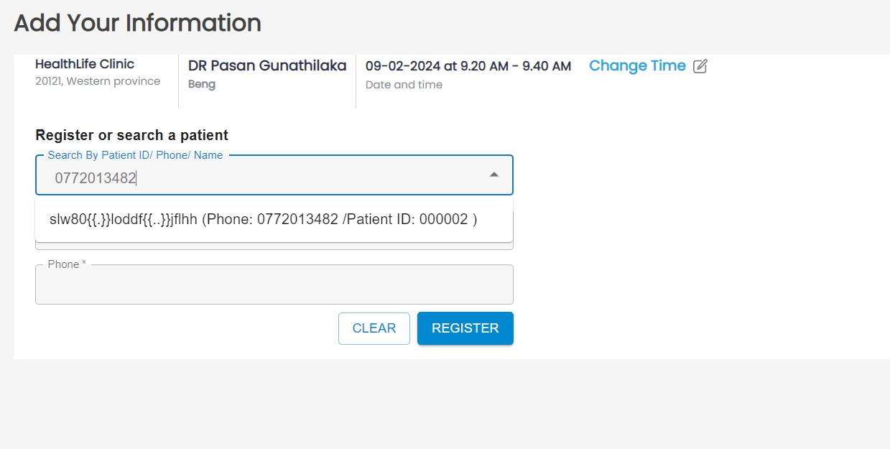
Category | Label | Value
Bug ID | ID number | #05
 | Name
 | Reporter | Team F
 | Submit Date | 2024-07-02
Bug overview | Summary | When I try to search a patient by name. It displays inccorrect values according to different scenarios. When searched from mobile number it displays a invalid name.
 | URL
 | Screenshot
Environment | Platform
 | Operating System
 | Browser | Chrome
Bug details | Steps to reproduce
 | Expected result
 | Actual result
 | Description
Bug tracking | Severity | Major
 | Assigned to
 | Priority | Medium

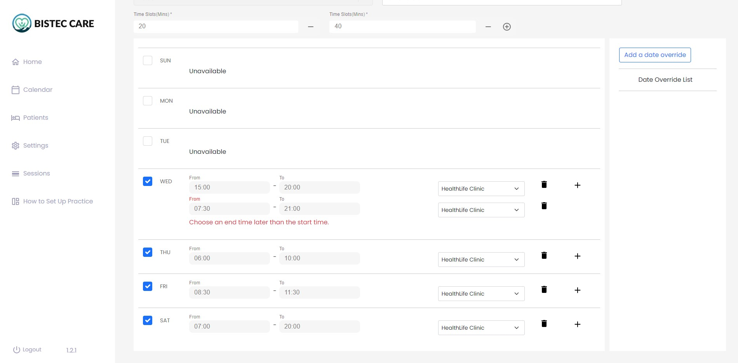
Category | Label | Value
Bug ID | ID number | #06
 | Name
 | Reporter | Team F
 | Submit Date | 2024-07-02
Bug overview | Summary | When I set the availibility in afternoon and try to make the next availibility in the morning it doesn't allow to make the availibility. Displays the error as in attached image.
 | URL
 | Screenshot
Environment | Platform
 | Operating System
 | Browser | Chrome
Bug details | Steps to reproduce
 | Expected result
 | Actual result
 | Description
Bug tracking | Severity | Major
 | Assigned to
 | Priority | Medium

